Analises de Churn
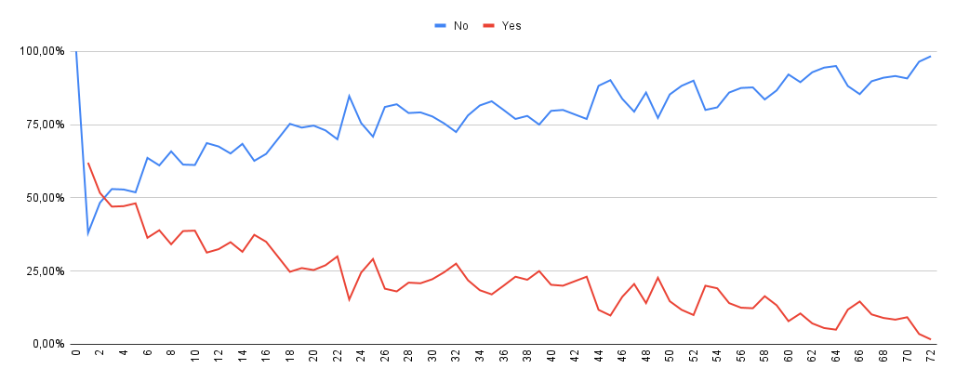
No, Yes e Total geral

Meio da pagamento churn
